Sheet2
Average Profit by bought products

Row Labels | Average of Profit | Average of Sales | Average of Profit | Average of Sales
1 | 353.22965517 | 1534.637931 | 353.22965517 | 1534.637931
2 | 376.8065625 | 1419.109375 | 376.8065625 | 1419.109375
3 | 420.72884058 | 1537.4202899 | 420.72884058 | 1537.4202899
4 | 368.7603125 | 1482.95 | 368.7603125 | 1482.95
5 | 384.65006849 | 1525.4931507 | 384.65006849 | 1525.4931507
6 | 394.38202899 | 1488.3188406 | 394.38202899 | 1488.3188406
7 | 406.79857143 | 1541.2571429 | 406.79857143 | 1541.2571429
8 | 368.31037736 | 1443.6666667 | 368.31037736 | 1443.6666667
9 | 371.50904437 | 1466.4095563 | 371.50904437 | 1466.4095563
10 | 370.54162651 | 1503.8493976 | 370.54162651 | 1503.8493976
11 | 374.40962963 | 1474.4444444 | 374.40962963 | 1474.4444444
12 | 372.65905063 | 1494.4462025 | 372.65905063 | 1494.4462025
Grand Total | 379.25451475 | 1489.9900095

Sales and profit by region
Average Profit by months
 | Months | Sum of Profit
 | 1 | 20487.32
 | 2 | 24115.62
 | 3 | 58060.58
 | 4 | 59001.65
 | 5 | 56158.91
 | 6 | 54424.72
 | 7 | 56951.8
 | 8 | 58561.35
 | 9 | 108852.15
 | 10 | 61509.91
 | 11 | 121308.72
 | 12 | 117760.26
 |  | Row Labels | Sum of Profit | Months | Sum of Profit
 |  | 1 | 20487.32 | 1 | 20487.32
 |  | 2 | 24115.62 | 2 | 24115.62
 |  | 3 | 58060.58 | 3 | 58060.58
 |  | 4 | 59001.65 | 4 | 59001.65
 |  | 5 | 56158.91 | 5 | 56158.91
 |  | 6 | 54424.72 | 6 | 54424.72
 |  | 7 | 56951.8 | 7 | 56951.8
 |  | 8 | 58561.35 | 8 | 58561.35
 |  | 9 | 108852.15 | 9 | 108852.15
 |  | 10 | 61509.91 | 10 | 61509.91
 |  | 11 | 121308.72 | 11 | 121308.72
 | Average of Profit | Average of Sales
Bodi | 392.8849095 | 1509.4502262
Chennai | 372.5030787 | 1469.8217593
Coimbatore | 367.75563084 | 1483.0560748
Cumbum | 374.95235012 | 1501.3117506
Dharmapuri | 376.57726064 | 1520.087766
Dindigul | 365.84078283 | 1453.6136364
Kanyakumari | 375.20204793 | 1539.7908497
Karur | 393.73474419 | 1493.6581395
Krishnagiri | 364.72154545 | 1448.3477273
Madurai | 373.89365196 | 1514.3039216
Nagercoil | 369.5669437 | 1478.3780161
Namakkal | 361.04739454 | 1485.1861042
Ooty | 371.48247525 | 1483.3960396
Perambalur | 394.31380184 | 1520.1336406
Pudukottai | 381.56425581 | 1519.0209302
Ramanadhapuram | 377.55589074 | 1506.8551069
Salem | 373.3162413 | 1524.5777262
Tenkasi | 361.64518519 | 1489.9351852
Theni | 368.83664083 | 1497.5529716
Tirunelveli | 370.33410314 | 1479.3991031
Trichy | 381.12028011 | 1516.535014
Vellore | 400.16783908 | 1555.2873563
Viluppuram | 363.22579345 | 1464.1662469
Virudhunagar | 362.54012019 | 1458.7019231
(blank)
 |  | 12 | 117760.26 | 12 | 117760.26
 |  | Grand Total | 797192.99

Row Labels | Average of Profit | Products | Average of Profit
Bakery | 394.10139241 | Bakery | 394.10139241
Beverages | 373.56318644 | Beverages | 373.56318644
Eggs, Meat & Fish | 373.2296732 | Eggs, Meat & Fish | 373.2296732
Food Grains | 398.74831579 | Food Grains | 398.74831579
Fruits & Veggies | 379.8728754 | Fruits & Veggies | 379.8728754
Oil & Masala | 364.02914894 | Oil & Masala | 364.02914894 |  |  |  |  |  |  |  |  | Row Labels | Average of Profit | Average of Sales
Snacks | 370.64862295 | Snacks | 370.64862295 |  |  |  |  |  |  |  |  | Bodi | 392.8849095 | 1509.4502262
Grand Total | 379.25451475 |  |  |  |  | Row Labels | Sum of Discount |  |  |  |  | Chennai | 372.5030787 | 1469.8217593
 |  |  |  |  |  | Bakery | 318.53 |  |  |  |  | Coimbatore | 367.75563084 | 1483.0560748
 |  |  |  |  |  | Beverages | 322.46 |  |  |  |  | Cumbum | 374.95235012 | 1501.3117506
 |  |  |  |  |  | Eggs, Meat & Fish | 339.41 |  |  |  |  | Dharmapuri | 376.57726064 | 1520.087766
Row Labels | Sum of Profit | Sum of Sales | Region | Sum of Profit | Sum of Sales | Food Grains | 319.51 |  |  |  |  | Dindigul | 365.84078283 | 1453.6136364
Central | 172575.47 | 701119 | Central | 172575.47 | 701119 | Fruits & Veggies | 325.14 |  |  |  |  | Kanyakumari | 375.20204793 | 1539.7908497
East | 249641.74 | 970983 | East | 249641.74 | 970983 | Oil & Masala | 305.58 |  |  |  |  | Karur | 393.73474419 | 1493.6581395
South | 133710.04 | 509161 | South | West | #REF! | Snacks | 336.18 |  |  |  |  | Krishnagiri | 364.72154545 | 1448.3477273
West | 241265.74 | 950696 |  | 133710.04 | 509161 | Grand Total | 2266.81 |  |  |  |  | Madurai | 373.89365196 | 1514.3039216
Grand Total | 797192.99 | 3131959 | Grand Total | 241265.74 | 950696 |  |  |  |  |  |  | Nagercoil | 369.5669437 | 1478.3780161
 |  |  |  |  |  |  |  |  |  |  |  | Namakkal | 361.04739454 | 1485.1861042
 |  |  |  |  |  |  |  |  |  |  |  | Ooty | 371.48247525 | 1483.3960396
 |  | 3131959 |  |  |  |  |  |  |  |  |  | Perambalur | 394.31380184 | 1520.1336406
 |  |  |  |  |  |  |  |  |  |  |  | Pudukottai | 381.56425581 | 1519.0209302
 |  |  |  |  |  |  |  |  |  |  |  | Ramanadhapuram | 377.55589074 | 1506.8551069
Row Labels | Sum of Profit |  | Row Labels | Sum of Sales | Sum of Profit |  |  |  |  |  |  | Salem | 373.3162413 | 1524.5777262
Central | 856806.84 |  | 2016 | 3131959 | 797192.99 |  |  |  |  |  |  | Tenkasi | 361.64518519 | 1489.9351852
East | 1074345.58 |  | Grand Total | 3131959 | 797192.99 |  |  |  |  |  |  | Theni | 368.83664083 | 1497.5529716
North | 401.28 |  |  |  |  | 0 |  |  |  |  |  | Tirunelveli | 370.33410314 | 1479.3991031
South | 623562.89 |  |  |  |  | 0 |  |  |  |  |  | Trichy | 381.12028011 | 1516.535014
West | 1192004.61 |  |  |  |  |  |  |  |  |  |  | Vellore | 400.16783908 | 1555.2873563
(blank) |  |  |  |  |  |  |  |  |  |  |  | Viluppuram | 363.22579345 | 1464.1662469
Grand Total | 3747121.2 |  |  |  |  |  |  |  |  |  |  | Virudhunagar | 362.54012019 | 1458.7019231
 |  |  |  |  |  |  |  |  |  |  |  | (blank)
 |  |  |  |  |  | Sum of Discount |  |  |  |  |  | Grand Total | 374.93708225 | 1496.5961577
Row Labels | Sum of Profit |  |  |  |  | 2266.81
 | Sum of Sales | Sum of Profit
1 | 577972 | 142518.52
2 | 456102 | 116082.21
3 | 1053980 | 267347.33
4 | 998453 | 247476.97
5 | 1086920 | 263643.4
6 | 1057808 | 263296.16
7 | 1089385 | 274594.57
8 | 1046807 | 258912.09
9 | 2064266 | 517788.56
10 | 1243289 | 309376.9
11 | 2193924 | 556048.05
12 | 2088076 | 530036.44
(blank)
Central | 856806.84 |  | Count of Unique Column |  |  | 2266.81
East | 1074345.58 |  | 50
North | 401.28 |  | 50
South | 623562.89
West | 1192004.61
(blank)
Grand Total | 3747121.2 |  | Row Labels | Sum of Sales | Sum of Profit
 |  |  | 1 | 577972 | 142518.52
 |  |  | 2 | 456102 | 116082.21
 |  |  | 3 | 1053980 | 267347.33
 |  |  | 4 | 998453 | 247476.97
 |  |  | 5 | 1086920 | 263643.4
 |  |  | 6 | 1057808 | 263296.16
 |  |  | 7 | 1089385 | 274594.57
 |  |  | 8 | 1046807 | 258912.09
 |  |  | 9 | 2064266 | 517788.56
 |  |  | 10 | 1243289 | 309376.9
 |  |  | 11 | 2193924 | 556048.05
 |  |  | 12 | 2088076 | 530036.44
 |  |  | (blank)
 |  |  | Grand Total | 14956982 | 3747121.2

 |  |  |  |  |  |  | Row Labels | Sum of Sales | Sum of Profit | Sum of Sales2 | Sum of Profit2 | Row Labels | Sum of Sales | Sum of Profit | Sum of Sales2 | Sum of Profit2
Row Labels | Sum of Profit |  |  |  |  |  | Central | 3468156 | 856806.84 | 23.19% | 22.87% | Central | 3468156 | 856806.84 | 23.19% | 22.87%
Central | 72869.83 |  |  |  |  |  | Bakery | 448343 | 109543.91 | 3.00% | 2.92% | Bakery | 448343 | 109543.91 | 3.00% | 2.92%
East | 67184.31 |  |  |  |  |  | Biscuits | 128705 | 30086.13 | 0.86% | 0.80% | Biscuits | 128705 | 30086.13 | 0.86% | 0.80%
South | 52508.09 |  |  |  |  |  | Breads & Buns | 158804 | 40499.27 | 1.06% | 1.08% | Breads & Buns | 158804 | 40499.27 | 1.06% | 1.08%
West | 74785.1 |  |  |  |  |  | Cakes | 160834 | 38958.51 | 1.08% | 1.04% | Cakes | 160834 | 38958.51 | 1.08% | 1.04%
Grand Total | 267347.33 |  |  |  |  |  | Beverages | 501194 | 128017.14 | 3.35% | 3.42% | Beverages | 501194 | 128017.14 | 3.35% | 3.42%
 |  |  |  |  |  |  | Health Drinks | 244395 | 60157.42 | 1.63% | 1.61% | Health Drinks | 244395 | 60157.42 | 1.63% | 1.61%
 |  |  |  |  |  |  | Soft Drinks | 256799 | 67859.72 | 1.72% | 1.81% | Soft Drinks | 256799 | 67859.72 | 1.72% | 1.81%
 |  |  |  |  |  |  | Eggs, Meat & Fish | 516642 | 126587.35 | 3.45% | 3.38% | Eggs, Meat & Fish | 516642 | 126587.35 | 3.45% | 3.38%
 |  |  |  |  |  |  | Chicken | 139238 | 35017.19 | 0.93% | 0.93% | Chicken | 139238 | 35017.19 | 0.93% | 0.93%
 |  |  |  |  |  |  | Eggs | 126081 | 29335.19 | 0.84% | 0.78% | Eggs | 126081 | 29335.19 | 0.84% | 0.78%
 |  |  |  |  |  |  | Fish | 126717 | 31217.36 | 0.85% | 0.83% | Fish | 126717 | 31217.36 | 0.85% | 0.83%
 |  |  |  |  |  |  | Mutton | 124606 | 31017.61 | 0.83% | 0.83% | Mutton | 124606 | 31017.61 | 0.83% | 0.83%
 |  |  |  |  |  |  | Food Grains | 463683 | 111517.05 | 3.10% | 2.98% | Food Grains | 463683 | 111517.05 | 3.10% | 2.98%
 |  |  |  |  |  |  | Atta & Flour | 104772 | 24940.67 | 0.70% | 0.67% | Atta & Flour | 104772 | 24940.67 | 0.70% | 0.67%
 |  |  |  |  |  |  | Dals & Pulses | 123955 | 28772.82 | 0.83% | 0.77% | Dals & Pulses | 123955 | 28772.82 | 0.83% | 0.77%
 |  |  |  |  |  |  | Organic Staples | 124869 | 29575.91 | 0.83% | 0.79% | Organic Staples | 124869 | 29575.91 | 0.83% | 0.79%
 |  |  |  |  |  |  | Rice | 110087 | 28227.65 | 0.74% | 0.75% | Rice | 110087 | 28227.65 | 0.74% | 0.75%
 |  |  |  |  |  |  | Fruits & Veggies | 526507 | 131699.53 | 3.52% | 3.51% | Fruits & Veggies | 526507 | 131699.53 | 3.52% | 3.51%
 |  |  |  |  |  |  | Fresh Fruits | 139585 | 36595.58 | 0.93% | 0.98% | Fresh Fruits | 139585 | 36595.58 | 0.93% | 0.98%
 |  |  |  |  |  |  | Fresh Vegetables | 144098 | 33492.73 | 0.96% | 0.89% | Fresh Vegetables | 144098 | 33492.73 | 0.96% | 0.89%
 |  |  |  |  |  |  | Organic Fruits | 112303 | 28665.98 | 0.75% | 0.77% | Organic Fruits | 28665.98 | 28665.98 | 0.75% | 0.77%
 |  |  |  |  |  |  | Organic Vegetables | 130521 | 32945.24 | 0.87% | 0.88% | Organic Vegetables | 32945.24 | 32945.24 | 0.87% | 0.88%
 |  |  |  |  |  |  | Oil & Masala | 453293 | 109261.91 | 3.03% | 2.92% | Oil & Masala | 453293 | 109261.91 | 3.03% | 2.92%
 |  |  |  |  |  |  | Edible Oil & Ghee | 181516 | 45141.56 | 1.21% | 1.20% | Edible Oil & Ghee | 181516 | 45141.56 | 1.21% | 1.20%
 |  |  |  |  |  |  | Masalas | 125669 | 31649.04 | 0.84% | 0.84% | Masalas | 125669 | 31649.04 | 0.84% | 0.84%
 |  |  |  |  |  |  | Spices | 146108 | 32471.31 | 0.98% | 0.87% | Spices | 146108 | 32471.31 | 0.98% | 0.87%
 |  |  |  |  |  |  | Snacks | 558494 | 140179.95 | 3.73% | 3.74% | Snacks | 558494 | 140179.95 | 3.73% | 3.74%
...

SUPERMART DASHBOARD
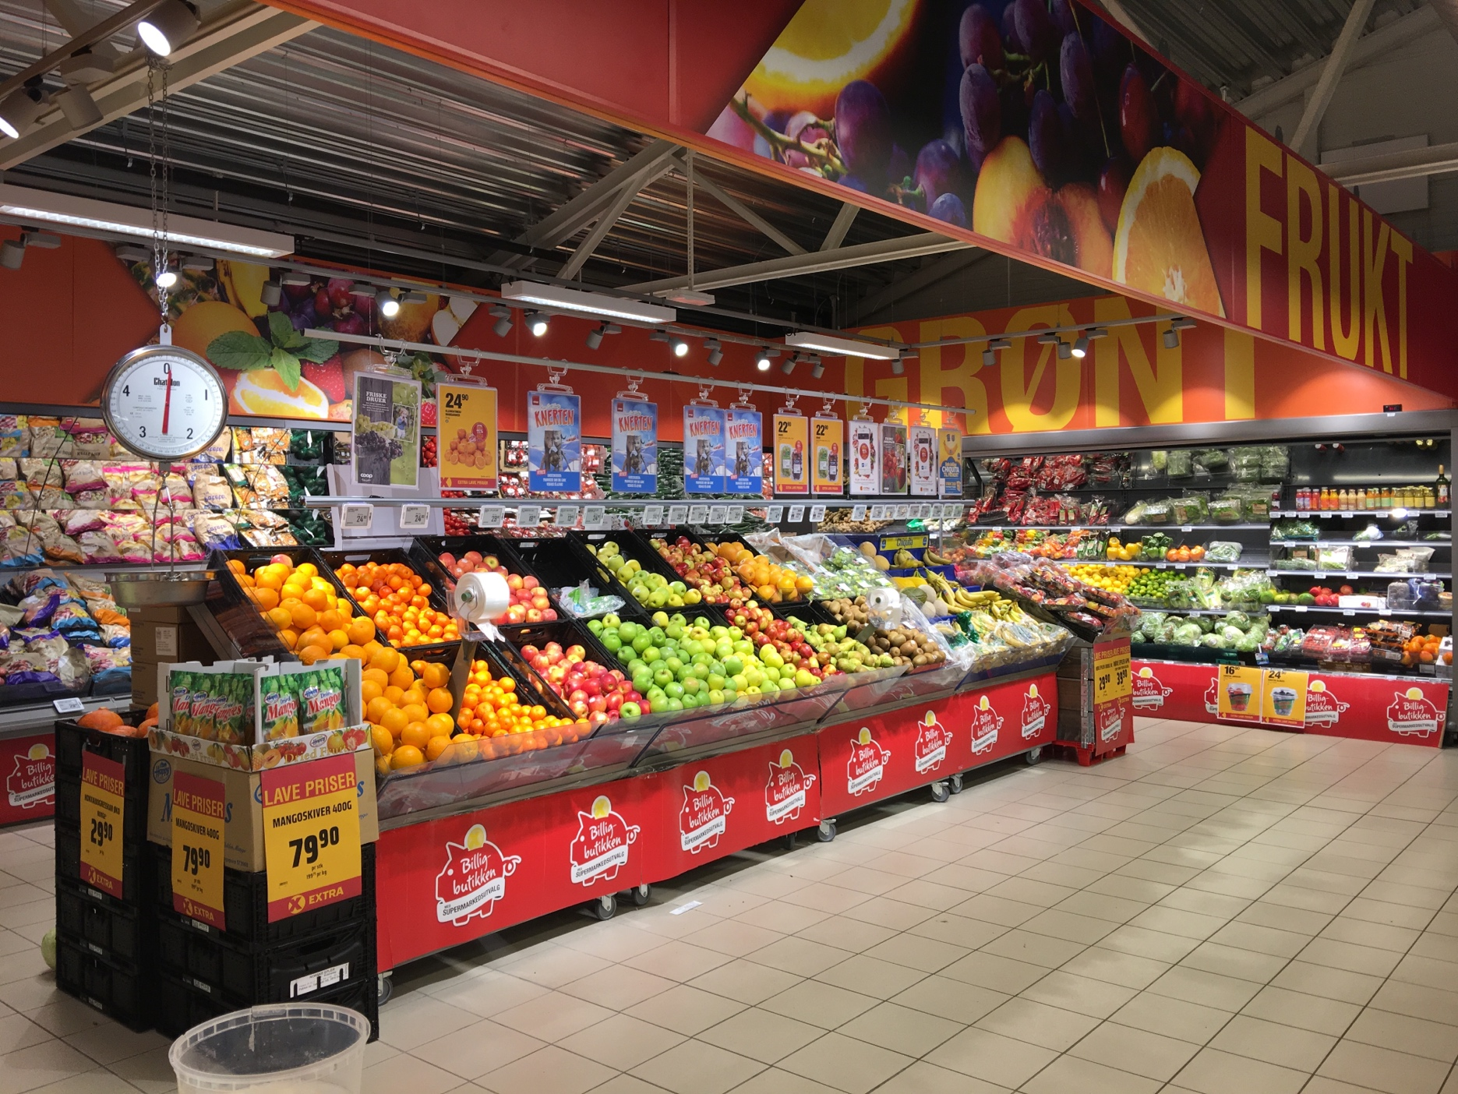
SUPERMART DASHBOARD
50
SALES

3131959
UNIQUE CUSTOMERS

PROFIT
DISCOUNT

3747121,2
2266,81

 | Average of Profit | Average of Sales
Bodi | 392.8849095 | 1509.4502262
Chennai | 372.5030787 | 1469.8217593
Coimbatore | 367.75563084 | 1483.0560748
Cumbum | 374.95235012 | 1501.3117506
Dharmapuri | 376.57726064 | 1520.087766
Dindigul | 365.84078283 | 1453.6136364
Kanyakumari | 375.20204793 | 1539.7908497
Karur | 393.73474419 | 1493.6581395
Krishnagiri | 364.72154545 | 1448.3477273
Madurai | 373.89365196 | 1514.3039216
Nagercoil | 369.5669437 | 1478.3780161
Namakkal | 361.04739454 | 1485.1861042
Ooty | 371.48247525 | 1483.3960396
Perambalur | 394.31380184 | 1520.1336406
Pudukottai | 381.56425581 | 1519.0209302
Ramanadhapuram | 377.55589074 | 1506.8551069
Salem | 373.3162413 | 1524.5777262
Tenkasi | 361.64518519 | 1489.9351852
Theni | 368.83664083 | 1497.5529716
Tirunelveli | 370.33410314 | 1479.3991031
Trichy | 381.12028011 | 1516.535014
Vellore | 400.16783908 | 1555.2873563
Viluppuram | 363.22579345 | 1464.1662469
Virudhunagar | 362.54012019 | 1458.7019231
(blank)
 | Sum of Sales | Sum of Profit
1 | 577972 | 142518.52
2 | 456102 | 116082.21
3 | 1053980 | 267347.33
4 | 998453 | 247476.97
5 | 1086920 | 263643.4
6 | 1057808 | 263296.16
7 | 1089385 | 274594.57
8 | 1046807 | 258912.09
9 | 2064266 | 517788.56
10 | 1243289 | 309376.9
11 | 2193924 | 556048.05
12 | 2088076 | 530036.44
(blank)
Average Profit by Category
 | Total
Bakery | 394.10139241
Beverages | 373.56318644
Eggs, Meat & Fish | 373.2296732
Food Grains | 398.74831579
Fruits & Veggies | 379.8728754
Oil & Masala | 364.02914894
Snacks | 370.64862295

Average Profit by Months
 | Months | Sum of Profit
 | 1 | 20487.32
 | 2 | 24115.62
 | 3 | 58060.58
 | 4 | 59001.65
 | 5 | 56158.91
 | 6 | 54424.72
 | 7 | 56951.8
 | 8 | 58561.35
 | 9 | 108852.15
 | 10 | 61509.91
 | 11 | 121308.72
 | 12 | 117760.26
Sales and Profit by Region
 | Sum of Profit | Sum of Sales
Central | 172575.47 | 701119
East | 249641.74 | 970983
South | 0 | 0
 | 133710.04 | 509161
Grand Total | 241265.74 | 950696
Sum of Discount by Category
 | Total
Bakery | 318.53
Beverages | 322.46
Eggs, Meat & Fish | 339.41
Food Grains | 319.51
Fruits & Veggies | 325.14
Oil & Masala | 305.58
Snacks | 336.18
Average Sales
 | Average of Sales
353.22965517 | 1534.637931
376.8065625 | 1419.109375
420.72884058 | 1537.4202899
368.7603125 | 1482.95
384.65006849 | 1525.4931507
394.38202899 | 1488.3188406
406.79857143 | 1541.2571429
368.31037736 | 1443.6666667
371.50904437 | 1466.4095563
370.54162651 | 1503.8493976
374.40962963 | 1474.4444444
372.65905063 | 1494.4462025

This Photo by Unknown Author is licensed under CC BY-SA

